IPI DRB Minutes
 |  | IBIDEN PHILIPPINES, INC. |  |  |  |  |  |  |  |  |  |  |  |  |  |  |  |  |  | DRB/MRB No. : |  | D-CORE-19-09-003
 |  | DRB/MRB REPORT MINUTES |  |  |  |  |  |  |  |  |  |  |  |  |  |  |  |  |  | RFC No. : |  | 07-0919-0007

Theme: |  |  | Unusual Appearance Detected After BOX
Meeting Date : |  |  | 24-Sep-19 |  |  |  |  |  |  |  |  |  |  |  | Originated by : |  |  |  | Teody Barba / CORE 1
Meeting Time: |  |  | Start: 1630h |  | End: 1720h |  |  |  |  |  |  |  |  |  |  |  |  |  |  | Name /Block
Meeting Place: |  |  | CORE Meeting Area |  |  |  |  |  |  |  |  |  |  |  | Approved by : |  |  |  | Jerry Gimeno
Chairman: |  |  | Teody Barba |  |  |  |  |  |  |  |  |  |  |  |  |  |  |  | Originator ASM/SM/DGM/GM
Block: |  |  | MFG Core 1
Attendees : |  |  | Manufacturing |  |  | Engineering/NPD |  |  | Facilities/EE |  |  |  |  | QA/QC |  |  |  |  | PPIC/CSE |  |  |  | Other
 |  |  | Teody |  |  | Neil |  |  | June |  |  |  |  | Keirolf |  |  |  |  | Ronald
 |  |  | Virgie |  |  |  |  |  |  |  |  |  |  | Arnel |  |  |  |  | Woody
 |  |  | Jerry San
 |  |  | Horai San
 |  |  | Makino San

<1>PROBLEM STATEMENT : (Put another sheet if multiple lots was discovered affected)
DEFECT ISSUE: |  |  | Unusual Appearance Detected After BOX |  | # | PRODUCT/MODEL AFFECTED |  |  | PRODUCT FAMILY |  |  | LEDGER NO. |  | PRODUCT SIZE |  | LOT NUMBER |  |  | AFFECTEDLAYER |  | AFFECTED PANEL |  | AFFECTED UNIT OR IF PERCENTAGE
DATE/TIME OCCURRED: |  |  | Sep-24-19 |  | 1 | Gemini Lake |  |  | BGA 15 |  |  | 777-1290 |  | 25X24 |  | P7888810 |  |  | 1st |  | 17 - 32 |  | N/A
PROCESS DETECTED: |  |  | BOX |  | 2 | CS Kabylake PCH-H |  |  | BGA 13 |  |  | 776-5797 |  | 23X24 |  | P7889010 |  |  | 1st |  | 1 - 32 |  | N/A
PROCESS AFFECTED: |  |  | BOX |  | 3
# OF AFFECTED LOTS : |  |  | 1 |  | 4
WHO DETECTED: |  |  |  |  | 5
 |  |  |  |  | 6
WHAT IS THE PROBLEM DIFFERENCE FROM NORMAL TO ABNORMAL SITUATION? CHANGING POINT? DISCUSS THE FLOW. (Indicate 5W and 1H)
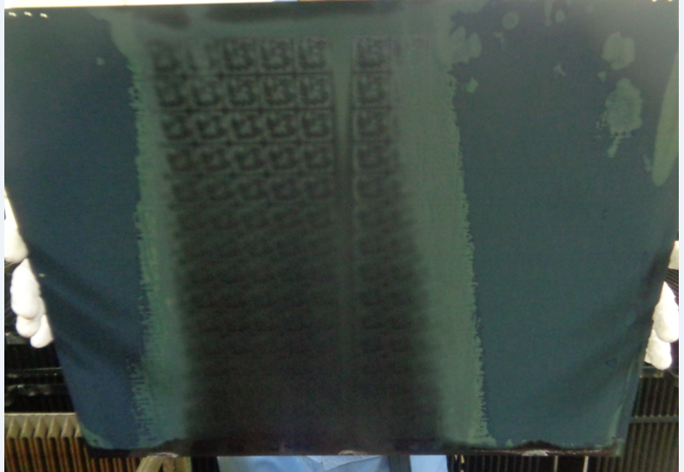
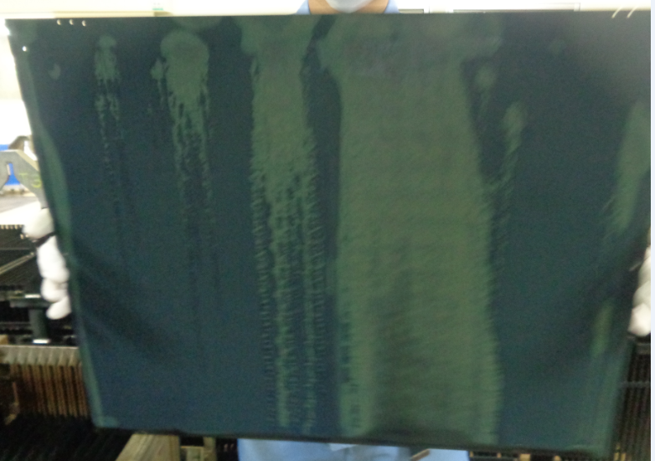
Detected Abrnormal Appearance after BOX around 1150h.

THE AGENDA ITEM IS RECURRENCE? |  |  |  | RECURRENCE |  |  | NEW |  |  |  | Recurrence Definition |  |  |  | 1. Rootcause is clear happened in same MC and parts 2. Rootcause is not clear but same issue 3. The Action was not proliferated to other process and machine but it was discussed during the meeting
THE AGENDA ITEM IS ESCAPEE? |  |  |  | YES |  |  | NO
PROBLEM CATEGORY |  |  | MAN |  | MACHINE |  |  | METHOD |  |  | MATERIAL |  |  | MEASUREMENT |  |  |  | ENVIRONMENT |  |  |  | OTHERS
DRB CLOSING RANK |  |  | RANK 1 |  | RANK 2 |  |  | RANK 3 |  |  | RANK 4 |  |  | RANK 5 |  |  |  | OTHERS

<2> INVESTIGATION/IDENTIFICATION OF AFFECTED AREA, SITUATION (Define the phenomenon, mode and tendency occurrence,Etc.)

1 | Around 1150h operator escalated abnormal appearance after BOX (total 2 lots affected)
2 | Affected lots was process as 2nd and 3rd lot loaded after UTC Set Up from 0856h-1149h.
3 | Other lots affected (succeeding lots) have No evidence of Unusual appearance
4 | Panel affected are exactly 24 panels. Basket affected has also evidence of wetness (top cover) Ph14 result
5

<3> CONTAINMENT ACTION (Note: Do not disable the interlock system when doing the action) |  |  |  |  |  |  |  |  |  |  |  |  |  |  |  | Responsible |  |  | Completion Date |  |  | Status
 |  |  |  |  |  |  |  |  |  |  |  |  |  |  |  | Name / Block
1. Stop the Loading |  |  |  |  |  |  |  |  |  |  |  |  |  |  |  | MFG Orly |  |  | 2019-09-24
2. Check other lots if have evidence of unusual appearance |  |  |  |  |  |  |  |  |  |  |  |  |  |  |  | MFG Orly |  |  | 2019-09-24 |  |  | DONE. Only 2 lots was affected
3. Check machine parts if have oil/grease leakage |  |  |  |  |  |  |  |  |  |  |  |  |  |  |  | ALL |  |  | 2019-09-24 |  |  | DONE. NO leak or oil source found

<4> DISPOSITION OF AFFECTED LOT AND RISK ASSESSMENT

Assessment Item (# of sample/Method) |  |  |  | Responsible Name / Block |  |  | Completion Date |  |  | Assessment Result (No Good/TTL QTY) |  |  |  |  |  | Judgment (OK/NG) |  |  | Final Disposition
DCA Measurement |  |  |  | QC / Shai |  |  | 2019-09-24 |  |  | max: 6 deg, specs: <22 deg |  |  |  |  |  | OK
SEM Morphology |  |  |  | Eng'g Abby |  |  | 2019-09-24 |  |  | With Sodium content |  |  |  |  |  | NG |  |  |  | Proceed |  | Qty : ______________________________
 |  |  |  |  |  |  |  |  |  |  |  |  |  |  |  |  |  |  |  | Piece Out |  | Qty : _______ Pnl #: ________________
 |  |  |  |  |  |  |  |  |  |  |  |  |  |  |  |  |  |  |  | Sheet Out |  | Qty : | 20 panels
 |  |  |  |  |  |  |  |  |  |  |  |  |  |  |  |  |  |  |  | Lot Out |  | Qty : ______________________________
P7889010 : Panels 1 ,4, 7 , 8
P7888810 : Panels 17-32
 |  |  |  |  |  |  |  |  |  |  |  |  |  |  |  |  |  |  |  | SDR
Risk Assessment Category |  |  |  |  |  |  |  |  |  |  | Remarks
 |  | Low |  | Medium |  |  |  | High |  |  | ________________________

<5>ACTION REQUIRED (Note: Do not disable the interlock system when doing the action)

Action Request |  |  |  |  |  |  |  |  |  | Responsible Name / Block |  |  |  |  |  | Completion Date |  |  | Detail Results
1. Send new sample to check concentration |  |  |  |  |  |  |  |  |  | MFG Teody |  |  |  |  |  | 2019-09-24 |  |  | OK Done. All samples are within specs
2. Load Dummy panels as normal Processing to check appearance |  |  |  |  |  |  |  |  |  | MFG Teody |  |  |  |  |  | 2019-09-24 |  |  | OK Done. Dummy appearance is Good.
3. Proceed HVM if Dummy appearance and Concentrations are OKAy. |  |  |  |  |  |  |  |  |  | ALL |  |  |  |  |  | 2019-09-24 |  |  | DONE. HVM started
4. Conduct simulation thru beaker test |  |  |  |  |  |  |  |  |  | Engg Abby |  |  |  |  |  | 2019-09-25 |  |  | Appearance is good
5. Load dummy panels with TH and conduct manual adjustment of Trisodium during pick up of basket at BOX1 |  |  |  |  |  |  |  |  |  | MFG Teody |  |  |  |  |  | 2019-09-25 |  |  | DONE. Appearance still Good After BOX
6. Load Dummy panel TH then manual Pour 300g NaOh (pellets) Trisodium (1000g) during pick up. Then Add NaBH (100g) |  |  |  |  |  |  |  |  |  | ALL |  |  |  |  |  | 2019-09-26 |  |  | DONE. Appearance still Good After BOX
7. Assess if can provide dosing Port for BOX bath same as on Reduction |  |  |  |  |  |  |  |  |  | MFG Teody / Resto Team |  |  |  |  |  | ww40 |  |  | Not proceed

<6> ROOTCAUSE GENERATION/ANALYSIS <WHY ANALYSIS by 5M1E, DESIGN AND CAPABILITY>

 | 1. FACTOR GAP ANALYSIS
 | Problem/Issue |  | Gap Type |  | 1st why |  |  |  | 2nd why |  |  |  |  |  | 3rd why |  |  |  |  |  | 4th why |  |  | 5th why
 | Unusual Appearance Detected After BOX |  | Technical |  | No finding yet

 |  |  | Systemic
 |  |  | Detection
 | 2. FINAL ROOT CAUSE and MECHANISM OF AFFECTED ISSUE
 | No finding yet

<7> CORRECTIVE ACTION |  |  |  |  |  |  |  |  |  |  |  |  | Responsible |  |  |  | Completion Date |  |  | Status |  |  | Need CN & DR?
 |  |  |  |  |  |  |  |  |  |  |  |  | Name / Block |  |  |  |  |  |  |  |  |  | Yes | No

<8> PREVENTIVE ACTION |  |  |  |  |  |  |  |  |  |  |  |  | Responsible |  |  |  | Completion Date |  |  | Status |  |  | Need CN & DR?
 |  |  |  |  |  |  |  |  |  |  |  |  | Name / Block |  |  |  |  |  |  |  |  |  | Yes | No

<9> PROLIFERATION |  |  |  |  |  |  |  |  |  |  |  |  |  |  |  | Responsible |  |  | Completion |  |  | Status
 |  |  |  |  |  |  |  |  |  |  |  |  |  |  |  | Name / Sign |  |  | Date
Product |  | Block | Process/line |  | Machine |  | Proliferate Item
 |  |  |  |  |  |  | 1
 |  |  |  |  |  |  | 2
<10>AMOUNT OF LOSS . The total sum_________________
Product |  |  |  |  | Unit Qty |  |  |  |  |  |  |  | Amount of Loss |  |  |  |  |  |  | Remarks

<11> CLOSING APPROVAL (The approver person in charge should put details of the validation and closing confirmation result)
The Validation activity |  |  |  |  |  |  |  |  |  |  |  |  |  |  |  |  | Closing Approver |  |  |  |  | Closing Date
 |  |  |  |  |  |  |  |  |  |  |  |  |  |  |  |  | ASM Gloria Reyes

 |  |  |  |  |  |  |  |  |  |  |  |  |  |  |  |  |  |  |  |  |  |  |  |  | QA-SCAR-MRB-02-00-01 Rev. 11

